Dashboard
Total Sales, | Total Profit | Profit Margin. | EXECUTIVE SUMMARY Profit Leak: Tables are the single biggest financial drain, with high sales masking catastrophic losses (Profitability chart). Key Driver: The Discount variable is the most powerful negative influence on profit. Action: Implement a strict cap on discounts (no more than 20%) and conduct a cost review on Furniture.
2,297,200.86 | 286,397.02 | 12.47%

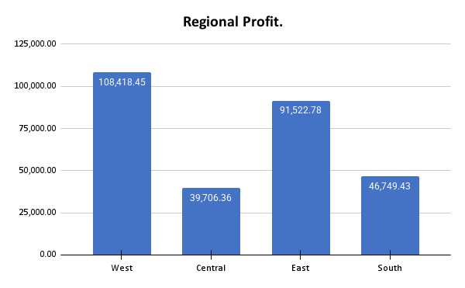
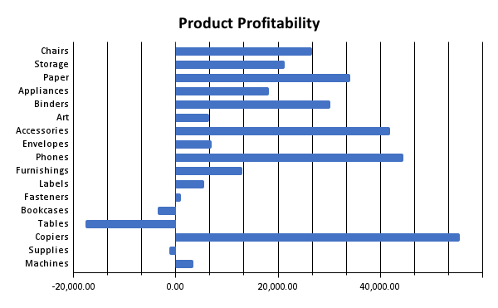

Regional Focus: The West is highly efficient. Investigate the operational differences between the West and the Central region, which delivers the lowest profit despite decent sales volume. This suggests a regional shipping/discounting problem.

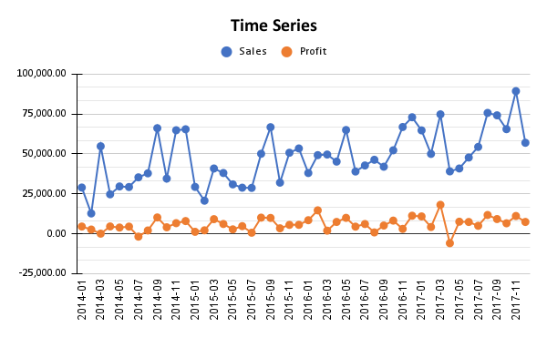

Product Focus : Copiers and Phones must be prioritized for inventory and premium pricing.The Tables loss is unacceptable. Due to the high negative coefficient, these items must either be re-priced or de-stocked immediately.

Seasonal Strategy Sales and Profit peak sharply in Q4 (Oct-Dec). Allocate approx 40%of the annual marketing budget to this period to maximize revenue during peak demand. Q1 is ideal for system maintenance and cost reduction.

 |  |  |  | STRATEGIC RECOMMENDATIONS Discount Cap: Based on LINEST coefficients, control the Discount variable above all else. Enforce a maximum 20% discount policy. Furniture Review: The negative profit on Tables and Bookcases demands an immediate review of wholesale cost and shipping logistics for bulky items. Technology Investment: Increase purchasing forecasts for Copiers and Phones to ensure inventory can meet Q4 demand. Central Region Audit: Launch a focused investigation into the Central region's high costs or aggressive local discount practices.

Pivot Table 4
Regional Profit.

Pivot Table 5
Product Profitability

Pivot Table 6
Time Series

